Datailed Inquiry Information
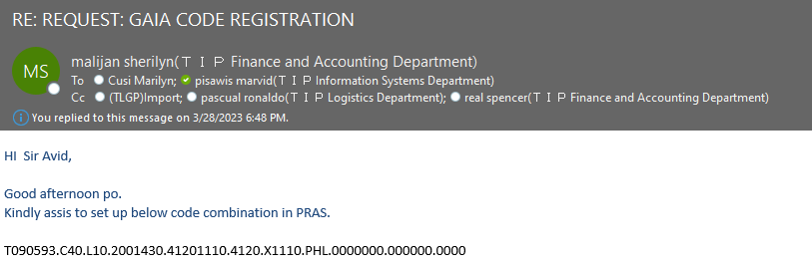
Detailed Inquiry Information

 |  | THE EMAIL THAT I RECEIVED

 | THE NORMAL EMAIL FOR GL CODE COMBINATION SETUP

Detailed Investigation Result
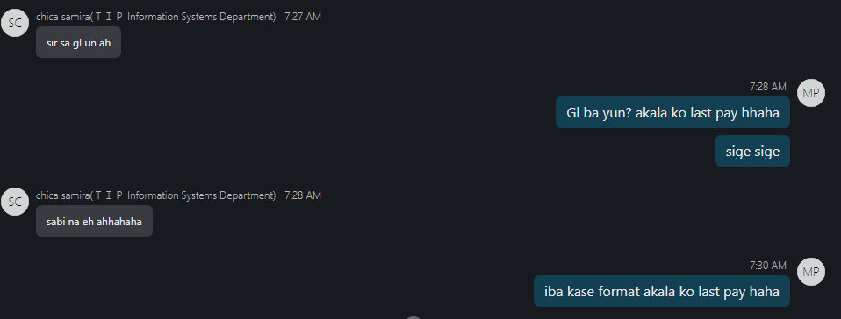
Detailed Investigation Result

Actual Operation Evidence
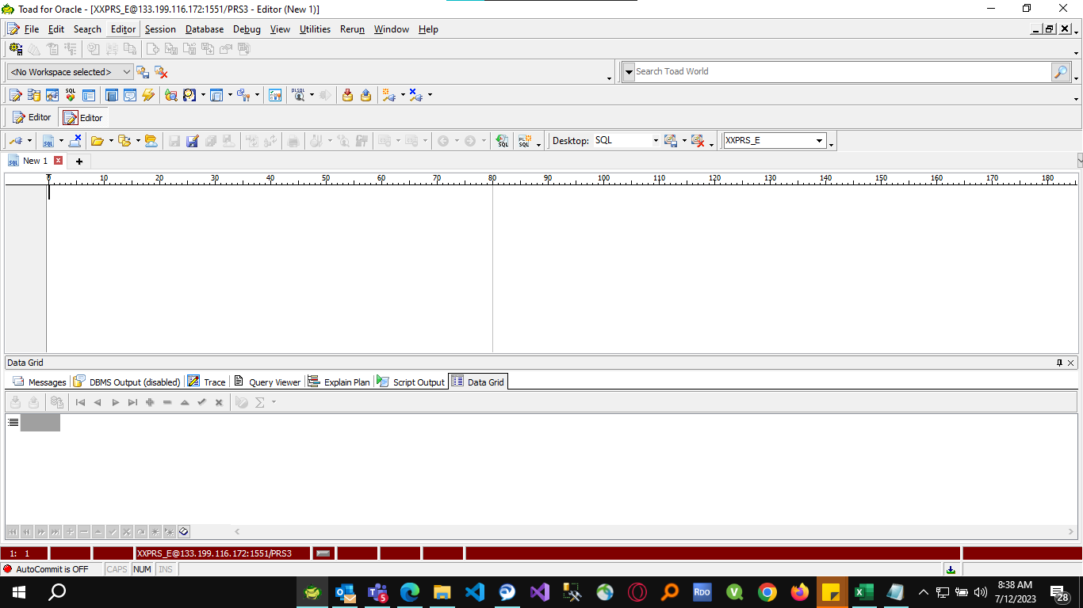
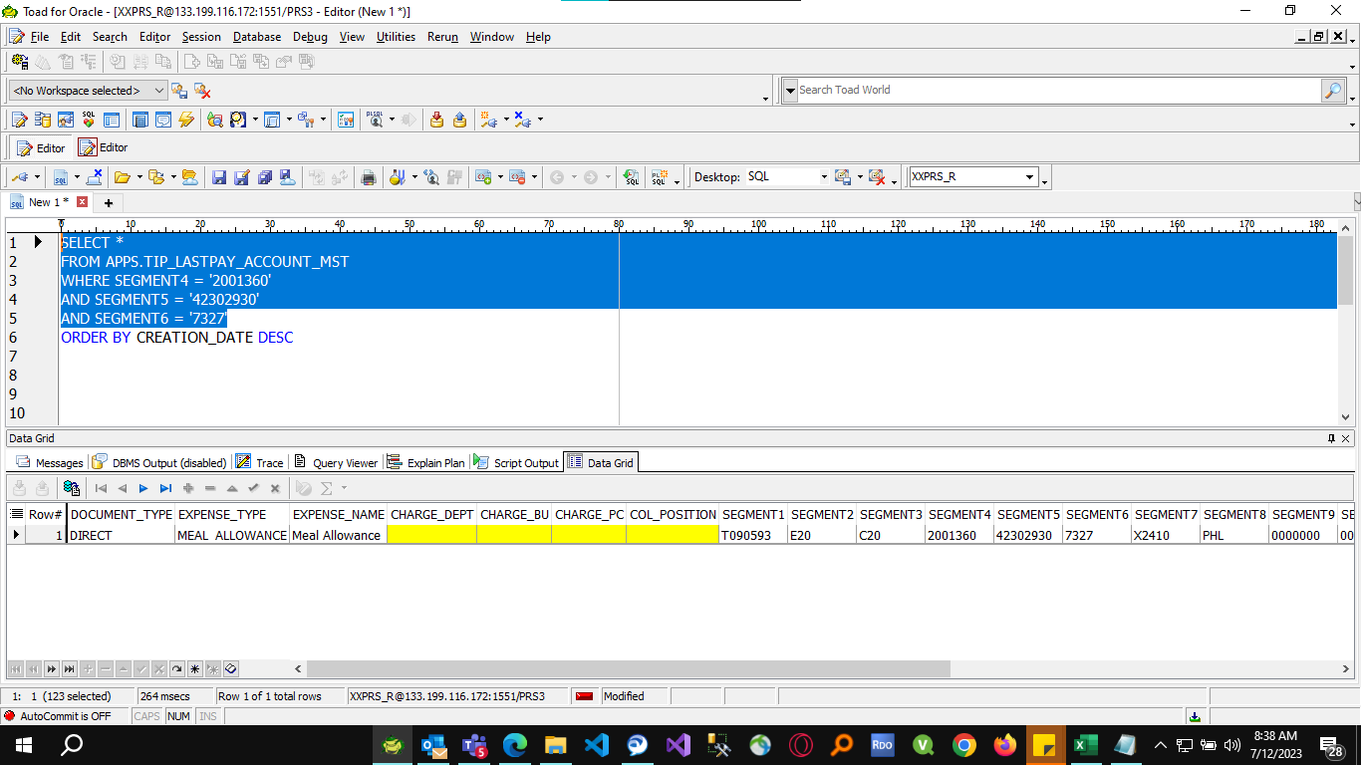
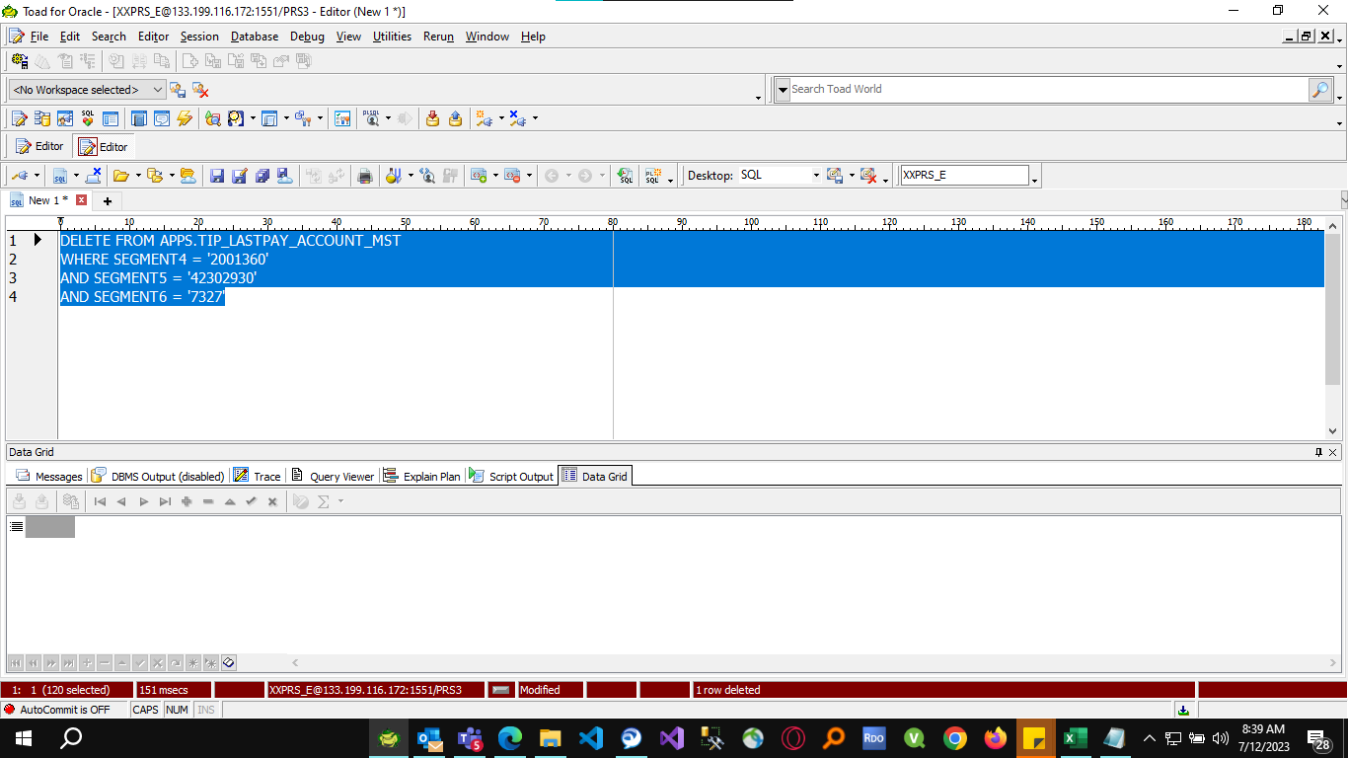
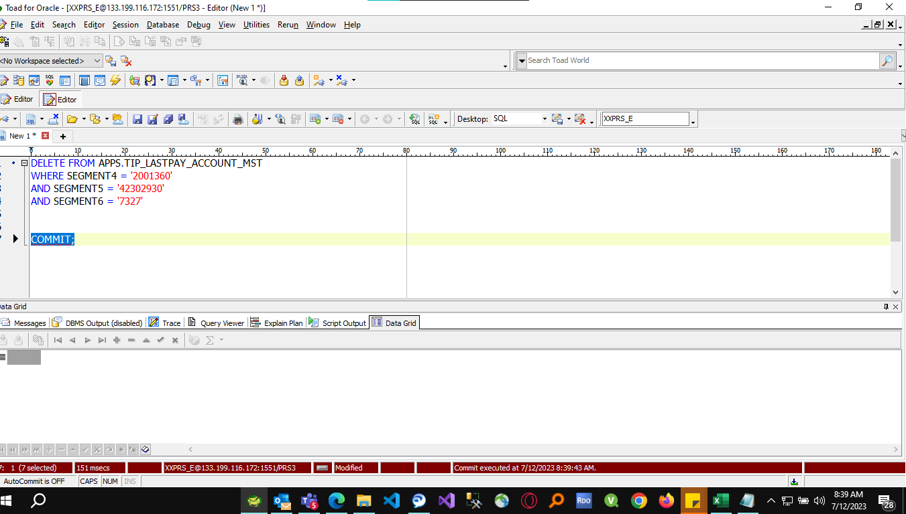
Actual Operation Evidence

Helpdesk Request
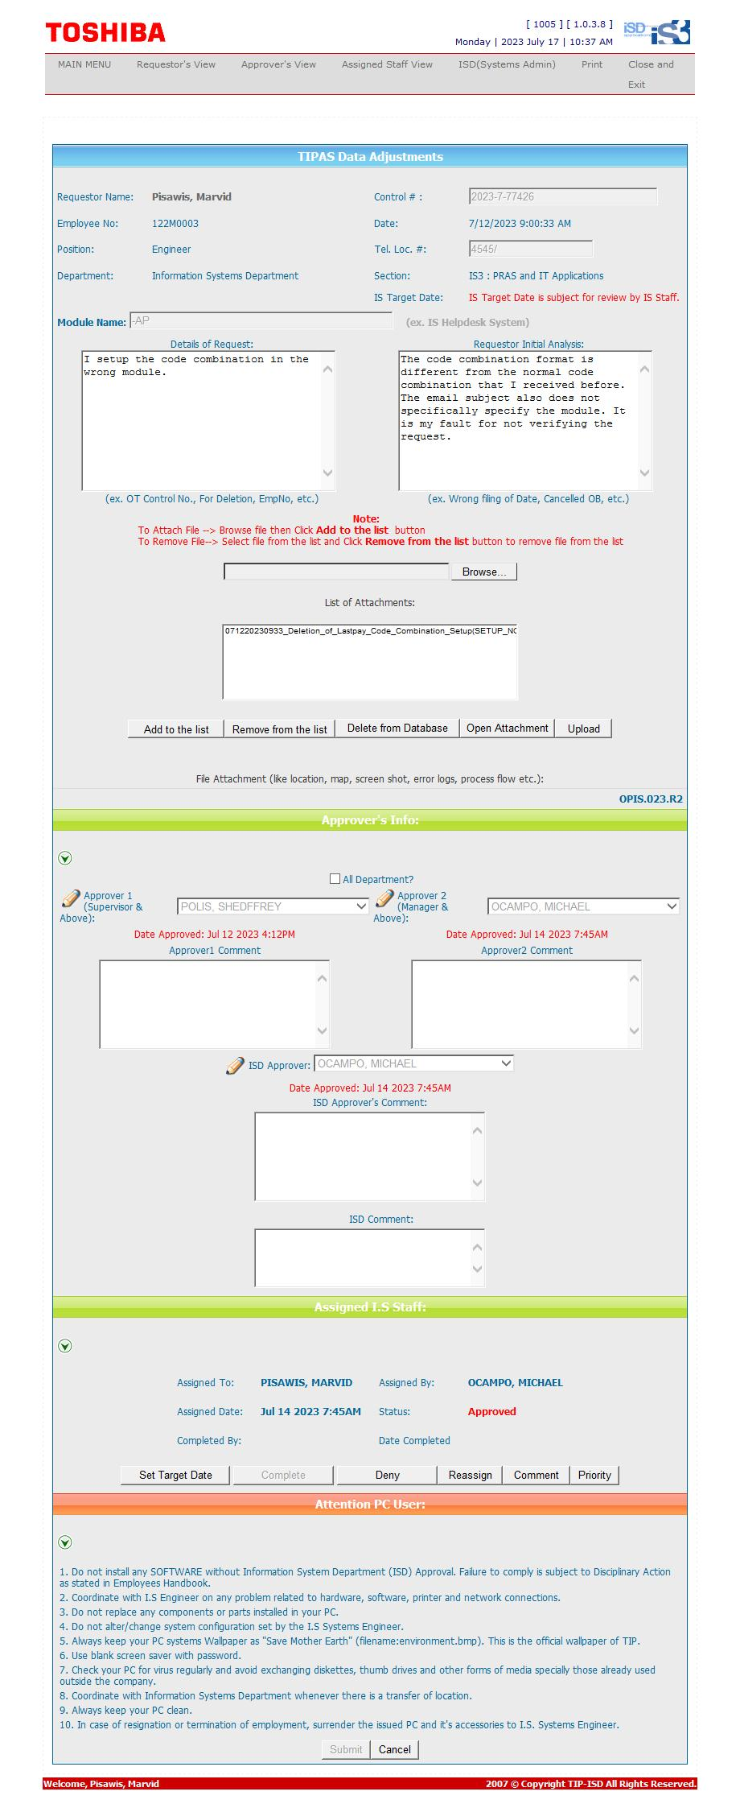
Helpdesk Request

